xTown
Franklin County North Quabbin Age and Dementia Friendly Community Needs Survey -- January 2022 -- Montague
The black dot indicates the regional average; the red bar indicates the town's results
* Regional averages are proportionally weighted by town to reflect population size estimates for individuals 50+ years of age across the region

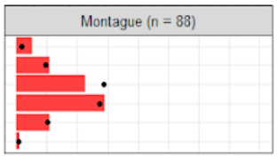
2 | How old are you?
 |  |  |  |  | Montague
 |  | Total | Sample proportion | Town-weighted proportion | Count | Proportion
 | 90 years old or more | 38 | 2% | 2% | 6 | 7%
 | 80 to 89 years old | 234 | 12% | 12% | 12 | 14%
 | 70 to 79 years old | 755 | 38% | 36% | 25 | 28%
 | 60 to 69 years old | 673 | 34% | 34% | 32 | 36%
 | 50 to 59 years old | 258 | 13% | 13% | 12 | 14%
 | I'm a caregiver under 50 years old | 24 | 1% | 1% | 1 | 1%

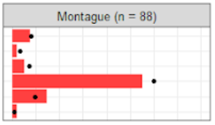
3 | Do you provide or receive any caregiver support? Check all that apply,
 |  |  |  |  | Montague
 |  | Total | Sample proportion | Town-weighted proportion | Count | Proportion
 | I am the primary caregiver for an older adult | 167 | 9% | 10% | 7 | 9%
 | I am the primary caregiver for child or grandchild | 67 | 4% | 4% | 2 | 3%
 | I share caregiving duties with another person(s) | 164 | 9% | 9% | 5 | 7%
 | I am fully independent and don't need caregiving support for myself | 1428 | 79% | 75% | 52 | 69%
 | I receive part-time caregiving support from one or multiple people | 189 | 10% | 12% | 14 | 19%
 | I receive full-time caregiving support from one or multiple people | 21 | 1% | 1% | 2 | 3%

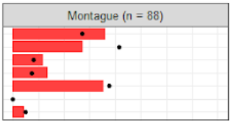
4 | Which of these describe your current living situation? Check all that apply
 |  |  |  |  | Montague
 |  | Total | Sample proportion | Town-weighted proportion | Count | Proportion
 | I live alone | 598 | 30% | 34% | 40 | 45%
 | I live with a spouse/partner | 1141 | 58% | 52% | 30 | 34%
 | I live with family or friends | 181 | 9% | 10% | 13 | 15%
 | I rent my home | 128 | 7% | 9% | 15 | 17%
 | I own my home | 947 | 48% | 47% | 39 | 44%
 | I live in an assisted living facility | 4 | 0% | 0% | 0 | 0%
 | Other situation | 118 | 6% | 6% | 5 | 6%

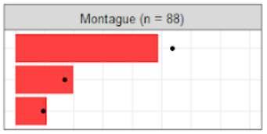
5a | Have long have you lived in: your current town?
 |  |  |  |  | Montague
 |  | Total | Sample proportion | Town-weighted proportion | Count | Proportion
 | Over 15 years | 1335 | 71% | 67% | 49 | 61%
 | 5 to 15 years | 361 | 19% | 21% | 20 | 25%
 | Under 5 years | 189 | 10% | 12% | 11 | 14%

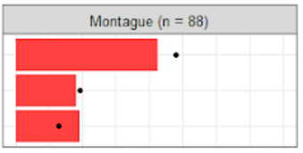
5b | Have long have you lived in: your current residence?
 |  |  |  |  | Montague
 |  | Total | Sample proportion | Town-weighted proportion | Count | Proportion
 | Over 15 years | 1204 | 65% | 60% | 42 | 53%
 | 5 to 15 years | 410 | 22% | 24% | 18 | 23%
 | Under 5 years | 241 | 13% | 16% | 19 | 24%

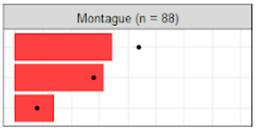
6a | As you age, how important is it for you to remain in: your current town?
 |  |  |  |  | Montague
 |  | Total | Sample proportion | Town-weighted proportion | Count | Proportion
 | Extremely important | 1072 | 57% | 55% | 35 | 43%
 | Somewhat important | 658 | 35% | 35% | 32 | 40%
 | Not important | 166 | 9% | 10% | 14 | 17%

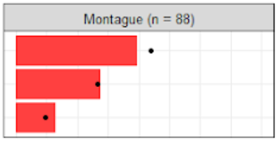
6b | As you age, how important is it for you to remain in: your current residence
 |  |  |  |  | Montague
 |  | Total | Sample proportion | Town-weighted proportion | Count | Proportion
 | Extremely important | 1084 | 57% | 55% | 40 | 49%
 | Somewhat important | 631 | 33% | 33% | 28 | 35%
 | Not important | 195 | 10% | 12% | 13 | 16%

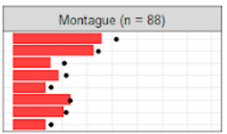
7 | Which of these factors would make you consider changing your current living situation? Check all that apply,
 |  |  |  |  | Montague
 |  | Total | Sample proportion | Town-weighted proportion | Count | Proportion
 | Cost of maintaining your current home | 918 | 51% | 52% | 35 | 45%
 | Desire for a different housing type ( e.g., assisted living, smaller home) | 794 | 44% | 43% | 32 | 41%
 | Cost of living in the area | 456 | 25% | 26% | 15 | 19%
 | Need for better public transportation | 532 | 29% | 27% | 18 | 23%
 | Need for better healthcare services | 360 | 20% | 19% | 13 | 17%
 | Need to be closer to family or to have more socializing opportunities | 537 | 30% | 29% | 23 | 29%
 | Safety or security concerns | 516 | 29% | 27% | 20 | 26%
 | Other consideration | 379 | 21% | 19% | 13 | 17%

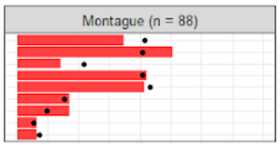
8 | Which of these sources of information do you use to learn about services and programs for older adults in your community? Check all that apply
 |  |  |  |  | Montague
 |  | Total | Sample proportion | Town-weighted proportion | Count | Proportion
 | Council on Aging / Senior Center | 930 | 48% | 52% | 37 | 44%
 | Newspaper | 954 | 49% | 51% | 54 | 64%
 | Town Newsletter | 777 | 40% | 27% | 15 | 18%
 | Friends and Family | 989 | 51% | 51% | 45 | 53%
 | Internet and Social Media | 1014 | 52% | 54% | 44 | 52%
 | Television | 298 | 15% | 19% | 18 | 21%
 | Radio | 200 | 10% | 12% | 18 | 21%
 | None of the above | 149 | 8% | 7% | 7 | 8%
 | Other source | 194 | 10% | 9% | 7 | 8%

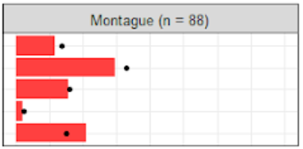
9a | How would you rate your current access to the following? Affordable and trustworthy home modification and repair contractors
 |  |  |  |  | Montague
 |  | Total | Sample proportion | Town-weighted proportion | Count | Proportion
 | Excellent | 323 | 18% | 17% | 11 | 14%
 | Good | 775 | 43% | 41% | 28 | 37%
 | Poor | 357 | 20% | 20% | 15 | 20%
 | Unavailable | 38 | 2% | 3% | 2 | 3%
 | I don't know | 303 | 17% | 19% | 20 | 26%

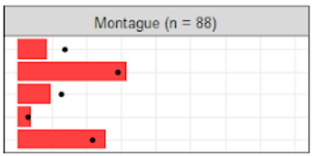
9b | How would you rate your current access to the following? Seasonal services such as lawn work for older adults
 |  |  |  |  | Montague
 |  | Total | proportion proportion | Town-weighted proportion | Count | Proportion
 | Excellent | 277 | 15% | 17% | 9 | 11%
 | Good | 669 | 37% | 36% | 32 | 40%
 | Poor | 321 | 18% | 16% | 10 | 12%
 | Unavailable | 66 | 4% | 4% | 4 | 5%
 | I don't know | 458 | 26% | 27% | 26 | 32%

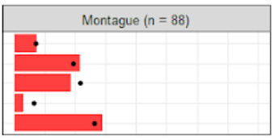
9c | How would you rate your current access to the following? Affordable housing options for people with my income level
 |  |  |  |  | Montague
 |  | Total | proportion proportion | Town-weighted proportion | Count | Proportion
 | Excellent | 132 | 8% | 9% | 7 | 9%
 | Good | 415 | 24% | 24% | 21 | 27%
 | Poor | 457 | 26% | 27% | 18 | 23%
 | Unavailable | 132 | 8% | 8% | 3 | 4%
 | I don't know | 623 | 35% | 33% | 28 | 36%

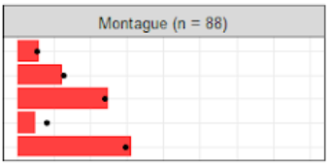
9d | How would you rate your current access to the following? Homes that are built with things like a nostep entrance, wider doorways, and first floor bedrooms and bathrooms
 |  |  |  |  | Montague
 |  | Total | proportion proportion | Town-weighted proportion | Count | Proportion
 | Excellent | 119 | 7% | 7% | 6 | 8%
 | Good | 275 | 16% | 16% | 12 | 16%
 | Poor | 509 | 29% | 30% | 24 | 31%
 | Unavailable | 175 | 10% | 10% | 5 | 6%
 | I don't know | 681 | 39% | 37% | 30 | 39%

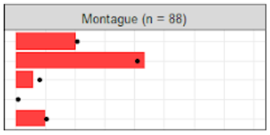
10a | How would you rate your current access to the following? Public buildings that are accessible to people with my physical abilities
 |  |  |  |  | Montague
 |  | Total | proportion proportion | Town-weighted proportion | Count | Proportion
 | Excellent | 495 | 28% | 26% | 20 | 25%
 | Good | 899 | 50% | 51% | 43 | 54%
 | Poor | 138 | 8% | 10% | 6 | 8%
 | Unavailable | 25 | 1% | 1% | 0 | 0%
 | I don't know | 226 | 13% | 13% | 10 | 13%

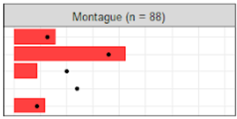
10b | How would you rate your current access to the following? Well-maintained and safe outdoor public spaces with adequate benches and accessibility.
 |  |  |  |  | Montague
 |  | Total | proportion proportion | Town-weighted proportion | Count | Proportion
 | Excellent | 292 | 16% | 16% | 16 | 20%
 | Good | 762 | 43% | 45% | 42 | 53%
 | Poor | 437 | 24% | 25% | 9 | 11%
 | Unavailable | 82 | 5% | 3% | 0 | 0%
 | I don't know | 217 | 12% | 11% | 12 | 15%

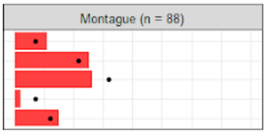
10c | How would you rate your current access to the following? Well-lit and accessible streets or roads for pedestrians and people with walkers or wheelchairs
 |  |  |  |  | Montague
 |  | Total | proportion proportion | Town-weighted proportion | Count | Proportion
 | Excellent | 129 | 7% | 9% | 11 | 14%
 | Good | 431 | 24% | 27% | 25 | 32%
 | Poor | 695 | 39% | 40% | 26 | 33%
 | Unavailable | 260 | 15% | 9% | 2 | 3%
 | I don't know | 269 | 15% | 15% | 15 | 19%

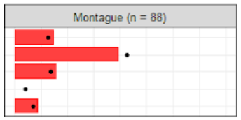
10d | How would you rate your current access to the following? Easy to read traffic signs and visual cues for pedestrian crossings
 |  |  |  |  | Montague
 |  | Total | proportion proportion | Town-weighted proportion | Count | Proportion
 | Excellent | 251 | 14% | 16% | 15 | 19%
 | Good | 867 | 49% | 53% | 39 | 49%
 | Poor | 330 | 19% | 17% | 16 | 20%
 | Unavailable | 159 | 9% | 5% | 0 | 0%
 | I don't know | 172 | 10% | 9% | 9 | 11%

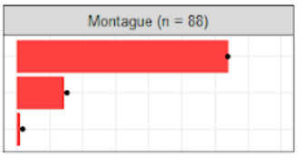
11 | Do you feel safe in your home and community?
 |  |  |  |  | Montague
 |  | Total | proportion proportion | Town-weighted proportion | Count | Proportion
 | I always feel safe | 1502 | 82% | 80% | 66 | 80%
 | I sometimes feel unsafe | 313 | 17% | 19% | 15 | 18%
 | I often feel unsafe | 21 | 1% | 2% | 1 | 1%

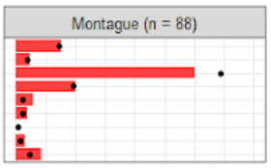
13 | How do you usually get around for shopping, medical appointments, social events or other things? Check all that apply
 |  |  |  |  | Montague
 |  | Total | proportion proportion | Town-weighted proportion | Count | Proportion
 | Walk | 280 | 15% | 18% | 16 | 19%
 | Bike | 99 | 5% | 5% | 5 | 6%
 | Drive myself | 1672 | 90% | 86% | 63 | 75%
 | Have others drive me | 407 | 22% | 24% | 21 | 25%
 | Use public transportation | 33 | 2% | 3% | 6 | 7%
 | Use a special transportation service, such as a Senior Center van | 35 | 2% | 3% | 4 | 5%
 | Use a taxi service or Uber/Lyft | 10 | 1% | 1% | 0 | 0%
 | I do not leave the house | 29 | 2% | 2% | 3 | 4%
 | Other transportation | 93 | 5% | 6% | 9 | 11%

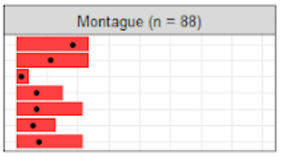
14 | Are you experiencing any of these difficulties in meeting your transportation needs? Check all that apply
 |  |  |  |  | Montague
 |  | Total | Proportion Proportion | Town-weighted proportion | Count | Proportion
 | There is no public transportation in my area | 655 | 33% | 23% | 11 | 30%
 | Public transportation is too hard to get to | 256 | 13% | 14% | 11 | 30%
 | Public transportation is too expensive | 25 | 1% | 2% | 2 | 5%
 | Car maintenance is too expensive | 137 | 7% | 8% | 7 | 19%
 | Not enough free parking available | 125 | 6% | 8% | 10 | 27%
 | Lack of assistance for people with mobility challenges | 118 | 6% | 7% | 6 | 16%
 | Other difficulties | 159 | 8% | 9% | 10 | 27%

16 | Do you have a Village or Neighbor-to-Neighbor support program in your town?
 |  |  |  |  | Montague
 |  | Total | proportion proportion | Town-weighted proportion | Count | Proportion
 | Yes | 650 | 36% | 21% | 7 | 9%
 | No | 290 | 16% | 21% | 17 | 21%
 | I don't know | 871 | 48% | 58% | 56 | 70%

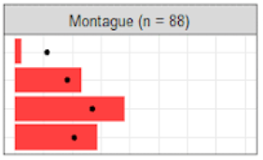
17 | If there is/was such a program, would you be interested in joining it? Check all that apply
 |  |  |  |  | Montague
 |  | Total | proportion proportion | Town-weighted proportion | Count | Proportion
 | I am already a member of our local Neighbor-to-Neighbor program | 274 | 17% | 12% | 2 | 3%
 | I would be interested in receiving neighborly support | 451 | 28% | 31% | 20 | 29%
 | I would be interested in volunteering to support to my neighbors | 669 | 41% | 44% | 33 | 48%
 | None of the above | 507 | 31% | 31% | 25 | 36%

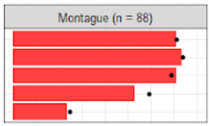
18 | Please read these statements and check all that apply
 |  |  |  |  | Montague
 |  | Total | proportion proportion | Town-weighted proportion | Count | Proportion
 | I have a reliable internet connection at home | 1624 | 92% | 89% | 63 | 89%
 | I have access to a computer, tablet or smartphone at home | 1666 | 94% | 92% | 65 | 92%
 | I know how to use a computer, tablet or smartphone | 1556 | 88% | 86% | 63 | 89%
 | I can use Zoom or other video chat programs | 1390 | 79% | 74% | 47 | 66%
 | I want to learn how to use new technology better | 527 | 30% | 31% | 21 | 30%

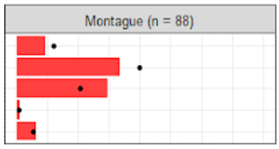
19a | How would you rate the region on having the following? A variety of healthcare professionals, including specialists
 |  |  |  |  | Montague
 |  | Total | proportion proportion | Town-weighted proportion | Count | Proportion
 | Excellent | 294 | 16% | 15% | 9 | 12%
 | Good | 910 | 51% | 50% | 32 | 42%
 | Poor | 439 | 24% | 26% | 28 | 37%
 | Unavailable | 31 | 2% | 1% | 1 | 1%
 | I don't know | 119 | 7% | 7% | 6 | 8%

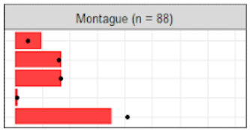
19b | How would you rate the region on having the following? Affordable, certified home health care providers
 |  |  |  |  | Montague
 |  | Total | proportion proportion | Town-weighted proportion | Count | Proportion
 | Excellent | 94 | 5% | 6% | 9 | 12%
 | Good | 351 | 20% | 20% | 16 | 21%
 | Poor | 356 | 20% | 21% | 16 | 21%
 | Unavailable | 34 | 2% | 1% | 1 | 1%
 | I don't know | 941 | 53% | 51% | 33 | 44%

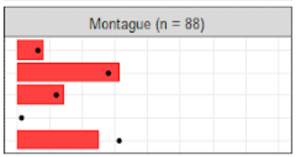
19c | How would you rate the region on having the following? Health and wellness programs in areas such as nutrition, pain management and others
 |  |  |  |  | Montague
 |  | Total | proportion proportion | Town-weighted proportion | Count | Proportion
 | Excellent | 137 | 8% | 8% | 8 | 11%
 | Good | 590 | 33% | 35% | 30 | 39%
 | Poor | 269 | 15% | 15% | 14 | 18%
 | Unavailable | 39 | 2% | 2% | 0 | 0%
 | I don't know | 740 | 42% | 39% | 24 | 32%

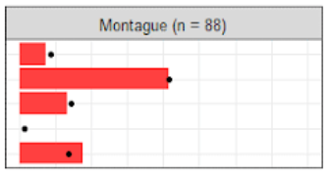
19d | How would you rate the region on having the following? Conveniently located health and social services
 |  |  |  |  | Montague
 |  | Total | proportion proportion | Town-weighted proportion | Count | Proportion
 | Excellent | 182 | 10% | 11% | 7 | 9%
 | Good | 868 | 49% | 52% | 40 | 52%
 | Poor | 371 | 21% | 18% | 13 | 17%
 | Unavailable | 47 | 3% | 2% | 0 | 0%
 | I don't know | 298 | 17% | 17% | 17 | 22%

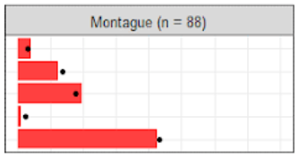
19e | How would you rate the region on having the following? Accessible mental health support for elders
 |  |  |  |  | Montague
 |  | Total | proportion proportion | Town-weighted proportion | Count | Proportion
 | Excellent | 66 | 4% | 4% | 4 | 5%
 | Good | 258 | 15% | 17% | 12 | 16%
 | Poor | 365 | 21% | 22% | 19 | 25%
 | Unavailable | 58 | 3% | 3% | 1 | 1%
 | I don't know | 1001 | 57% | 54% | 41 | 53%

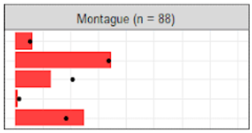
19f | How would you rate the region on having the following? Easy-to-find information when looking for services
 |  |  |  |  | Montague
 |  | Total | proportion proportion | Town-weighted proportion | Count | Proportion
 | Excellent | 133 | 8% | 7% | 6 | 8%
 | Good | 707 | 41% | 42% | 32 | 43%
 | Poor | 414 | 24% | 26% | 12 | 16%
 | Unavailable | 46 | 3% | 2% | 1 | 1%
 | I don't know | 421 | 24% | 23% | 23 | 31%

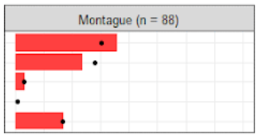
19g | How would you rate the region on having the following? Health and social service providers who speak my language
 |  |  |  |  | Montague
 |  | Total | proportion proportion | Town-weighted proportion | Count | Proportion
 | Excellent | 683 | 41% | 38% | 32 | 45%
 | Good | 558 | 32% | 35% | 21 | 30%
 | Poor | 53 | 3% | 4% | 3 | 4%
 | Unavailable | 23 | 1% | 1% | 0 | 0%
 | I don't know | 353 | 21% | 21% | 15 | 21%

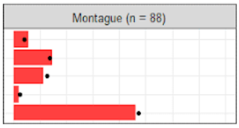
19h | How would you rate the region on having the following? Adequate caregiver support (respite services, support groups…)
 |  |  |  |  | Montague
 |  | Total | proportion proportion | Town-weighted proportion | Count | Proportion
 | Excellent | 72 | 4% | 5% | 5 | 7%
 | Good | 287 | 17% | 17% | 13 | 18%
 | Poor | 261 | 15% | 16% | 10 | 14%
 | Unavailable | 45 | 3% | 3% | 2 | 3%
 | I don't know | 1027 | 61% | 59% | 41 | 58%

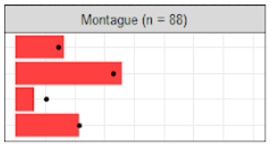
22 | How many times have you used telehealth (communication via phone call/video chat) to talk to a healthcare provider?
 |  |  |  |  | Montague
 |  | Total | proportion proportion | Town-weighted proportion | Count | Proportion
 | More than 5 times | 340 | 19% | 18% | 16 | 21%
 | 2-5 times | 729 | 42% | 41% | 35 | 45%
 | Once | 229 | 13% | 13% | 6 | 8%
 | Never | 457 | 26% | 27% | 21 | 27%

23a | If you have ever used telehealth, read the following statements and then select your level of agreement. Overall, I had a good experience talking to my healthcare provider via a phone call/video chat
 |  |  |  |  | Montague
 |  | Total | proportion proportion | Town-weighted proportion | Count | Proportion
 | Agree | 909 | 70% | 70% | 38 | 72%
 | Neutral | 323 | 25% | 24% | 15 | 28%
 | Disagree | 69 | 5% | 6% | 0 | 0%

23b | If you have ever used telehealth, read the following statements and then select your level of agreement. I would have preferred to see my provider in person
 |  |  |  |  | Montague
 |  | Total | proportion proportion | Town-weighted proportion | Count | Proportion
 | Agree | 754 | 58% | 59% | 29 | 54%
 | Neutral | 404 | 31% | 32% | 24 | 44%
 | Disagree | 150 | 11% | 10% | 1 | 2%

23c | If you have ever used telehealth, read the following statements and then select your level of agreement. The telehealth technology was confusing for me to use
 |  |  |  |  | Montague
 |  | Total | proportion proportion | Town-weighted proportion | Count | Proportion
 | Agree | 93 | 7% | 10% | 4 | 8%
 | Neutral | 323 | 26% | 27% | 12 | 24%
 | Disagree | 839 | 67% | 63% | 33 | 67%

23d | If you have ever used telehealth, read the following statements and then select your level of agreement. I would use telehealth again in the future, even after the pandemic
 |  |  |  |  | Montague
 |  | Total | proportion proportion | Town-weighted proportion | Count | Proportion
 | Agree | 720 | 56% | 55% | 26 | 49%
 | Neutral | 385 | 30% | 31% | 16 | 30%
 | Disagree | 181 | 14% | 15% | 11 | 21%

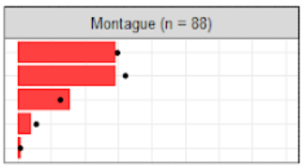
24 | How often do you interact with people who do not live with you?
 |  |  |  |  | Montague
 |  | Total | proportion proportion | Town-weighted proportion | Count | Proportion
 | Every day | 641 | 36% | 37% | 28 | 37%
 | Multiple times a week | 725 | 41% | 40% | 28 | 37%
 | Weekly | 291 | 16% | 16% | 15 | 20%
 | 1-2 times per month | 104 | 6% | 7% | 4 | 5%
 | Never | 9 | 1% | 1% | 1 | 1%

25a | How often do you feel the following? I feel lonely
 |  |  |  |  | Montague
 |  | Total | proportion proportion | Town-weighted proportion | Count | Proportion
 | Often | 118 | 7% | 9% | 10 | 14%
 | Sometimes | 596 | 35% | 35% | 29 | 40%
 | Rarely or never | 976 | 58% | 56% | 33 | 46%

25b | How often do you feel the following? I feel left out of my family
 |  |  |  |  | Montague
 |  | Total | proportion proportion | Town-weighted proportion | Count | Proportion
 | Often | 115 | 7% | 9% | 8 | 12%
 | Sometimes | 356 | 22% | 22% | 12 | 18%
 | Rarely or never | 1183 | 72% | 68% | 47 | 70%

25c | How often do you feel the following? I feel left out of my community
 |  |  |  |  | Montague
 |  | Total | proportion proportion | Town-weighted proportion | Count | Proportion
 | Often | 155 | 9% | 10% | 9 | 13%
 | Sometimes | 489 | 29% | 31% | 24 | 34%
 | Rarely or never | 1017 | 61% | 60% | 37 | 53%

25d | How often do you feel the following? I need more help
 |  |  |  |  | Montague
 |  | Total | proportion proportion | Town-weighted proportion | Count | Proportion
 | Often | 75 | 5% | 6% | 6 | 9%
 | Sometimes | 443 | 27% | 29% | 23 | 35%
 | Rarely or never | 1121 | 68% | 65% | 37 | 56%

25e | How often do you feel the following? I feel well-supported
 |  |  |  |  | Montague
 |  | Total | proportion proportion | Town-weighted proportion | Count | Proportion
 | Often | 901 | 54% | 52% | 37 | 51%
 | Sometimes | 528 | 31% | 31% | 21 | 29%
 | Rarely or never | 249 | 15% | 17% | 14 | 19%

26 | If you were in trouble or had an emergency, do you have family or friends who can help you at any time of the day or night?
 |  |  |  |  | Montague
 |  | Total | proportion proportion | Town-weighted proportion | Count | Proportion
 | Yes | 1399 | 80% | 80% | 60 | 77%
 | I am not sure | 226 | 13% | 12% | 11 | 14%
 | No | 132 | 8% | 8% | 7 | 9%

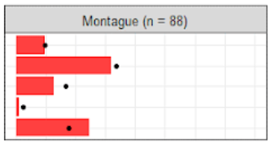
27a | How would you rate your current access to the following? Conveniently located social and cultural activities for older people
 |  |  |  |  | Montague
 |  | Total | proportion proportion | Town-weighted proportion | Count | Proportion
 | Excellent | 174 | 10% | 12% | 9 | 12%
 | Good | 715 | 41% | 42% | 30 | 40%
 | Poor | 381 | 22% | 21% | 12 | 16%
 | Unavailable | 64 | 4% | 3% | 1 | 1%
 | I don't know | 395 | 23% | 22% | 23 | 31%

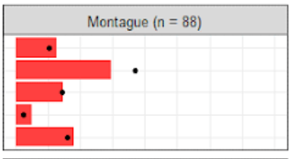
27b | How would you rate your current access to the following? Events that are affordable to people with my income level
 |  |  |  |  | Montague
 |  | Total | proportion proportion | Town-weighted proportion | Count | Proportion
 | Excellent | 239 | 14% | 13% | 12 | 16%
 | Good | 842 | 49% | 46% | 28 | 37%
 | Poor | 258 | 15% | 18% | 14 | 18%
 | Unavailable | 38 | 2% | 3% | 5 | 7%
 | I don't know | 344 | 20% | 20% | 17 | 22%

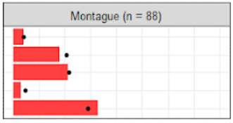
27c | How would you rate your current access to the following? Intergenerational activities that involve both younger and older people
 |  |  |  |  | Montague
 |  | Total | proportion proportion | Town-weighted proportion | Count | Proportion
 | Excellent | 87 | 5% | 5% | 4 | 5%
 | Good | 445 | 26% | 26% | 17 | 23%
 | Poor | 459 | 27% | 27% | 20 | 27%
 | Unavailable | 93 | 5% | 6% | 3 | 4%
 | I don't know | 624 | 37% | 36% | 31 | 41%

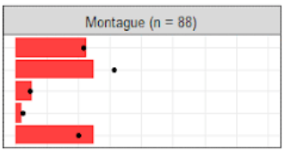
27d | How would you rate your current access to the following? Social participation opportunities for people who speak my language
 |  |  |  |  | Montague
 |  | Total | proportion proportion | Town-weighted proportion | Count | Proportion
 | Excellent | 464 | 28% | 27% | 21 | 28%
 | Good | 647 | 39% | 39% | 23 | 31%
 | Poor | 109 | 7% | 6% | 5 | 7%
 | Unavailable | 30 | 2% | 3% | 2 | 3%
 | I don't know | 412 | 25% | 25% | 23 | 31%

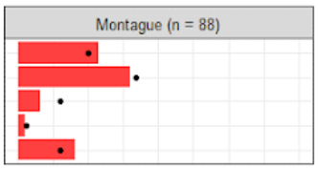
27e | How would you rate your current access to the following? Fitness and outdoor recreational opportunities
 |  |  |  |  | Montague
 |  | Total | proportion proportion | Town-weighted proportion | Count | Proportion
 | Excellent | 457 | 27% | 25% | 21 | 29%
 | Good | 716 | 43% | 42% | 29 | 40%
 | Poor | 227 | 14% | 15% | 6 | 8%
 | Unavailable | 46 | 3% | 3% | 2 | 3%
 | I don't know | 234 | 14% | 15% | 15 | 21%

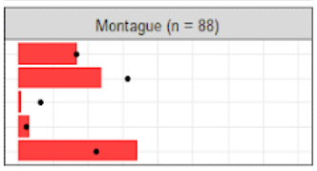
27f | How would you rate your current access to the following? Access to computers and the Internet through the senior center, library or other public building
 |  |  |  |  | Montague
 |  | Total | proportion proportion | Town-weighted proportion | Count | Proportion
 | Excellent | 377 | 23% | 21% | 15 | 21%
 | Good | 665 | 40% | 39% | 21 | 30%
 | Poor | 135 | 8% | 8% | 1 | 1%
 | Unavailable | 57 | 3% | 3% | 3 | 4%
 | I don't know | 431 | 26% | 28% | 30 | 43%

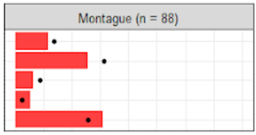
28a | How would you rate your current access to the following? Volunteering opportunities for older people
 |  |  |  |  | Montague
 |  | Total | proportion proportion | Town-weighted proportion | Count | Proportion
 | Excellent | 296 | 17% | 17% | 11 | 15%
 | Good | 667 | 40% | 39% | 24 | 32%
 | Poor | 166 | 10% | 11% | 6 | 8%
 | Unavailable | 35 | 2% | 3% | 5 | 7%
 | I don't know | 539 | 32% | 32% | 29 | 39%

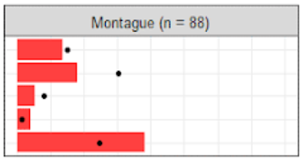
28b | How would you rate your current access to the following? Civic engagement opportunities for older people, such as participating in a town committee or council
 |  |  |  |  | Montague
 |  | Total | proportion proportion | Town-weighted proportion | Count | Proportion
 | Excellent | 387 | 23% | 19% | 13 | 17%
 | Good | 729 | 43% | 38% | 17 | 23%
 | Poor | 121 | 7% | 10% | 5 | 7%
 | Unavailable | 25 | 1% | 2% | 4 | 5%
 | I don't know | 424 | 25% | 31% | 36 | 48%

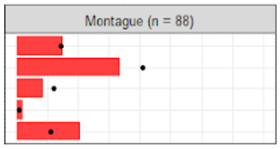
28c | How would you rate your current access to the following? Access to information about town updates
 |  |  |  |  | Montague
 |  | Total | proportion proportion | Town-weighted proportion | Count | Proportion
 | Excellent | 408 | 24% | 18% | 14 | 19%
 | Good | 873 | 51% | 51% | 31 | 42%
 | Poor | 227 | 13% | 15% | 8 | 11%
 | Unavailable | 18 | 1% | 1% | 2 | 3%
 | I don't know | 171 | 10% | 14% | 19 | 26%

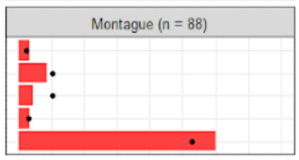
28d | How would you rate your current access to the following? Remote engagement options for elders who are home-bound
 |  |  |  |  | Montague
 |  | Total | proportion proportion | Town-weighted proportion | Count | Proportion
 | Excellent | 62 | 4% | 3% | 3 | 4%
 | Good | 224 | 13% | 13% | 8 | 11%
 | Poor | 192 | 11% | 13% | 4 | 5%
 | Unavailable | 61 | 4% | 4% | 3 | 4%
 | I don't know | 1131 | 68% | 66% | 55 | 75%

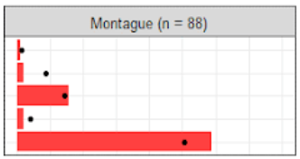
28e | How would you rate your current access to the following? Flexible employment options for older people
 |  |  |  |  | Montague
 |  | Total | proportion proportion | Town-weighted proportion | Count | Proportion
 | Excellent | 26 | 2% | 2% | 1 | 1%
 | Good | 162 | 10% | 11% | 2 | 3%
 | Poor | 285 | 17% | 18% | 14 | 19%
 | Unavailable | 88 | 5% | 5% | 2 | 3%
 | I don't know | 1111 | 66% | 63% | 53 | 74%

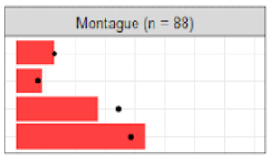
29 | Is financial insecurity a worry for you now and as you get older?
 |  |  |  |  | Montague
 |  | Total | proportion proportion | Town-weighted proportion | Count | Proportion
 | Financial insecurity is my biggest worry | 232 | 14% | 16% | 12 | 16%
 | I have trouble getting by each month | 117 | 7% | 9% | 8 | 11%
 | I feel ok now but I'm worried about the future | 743 | 44% | 43% | 26 | 35%
 | I have enough money for necessities and extras | 869 | 51% | 48% | 41 | 55%

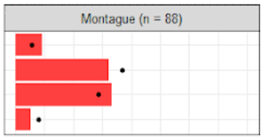
30 | Overall, how would you rate your town as a place for people to live as they age?
 |  |  |  |  | Montague
 |  | Total | proportion proportion | Town-weighted proportion | Count | Proportion
 | Excellent | 120 | 7% | 7% | 9 | 12%
 | Good | 746 | 44% | 46% | 31 | 40%
 | Fair | 651 | 38% | 36% | 32 | 42%
 | Poor | 189 | 11% | 10% | 5 | 6%

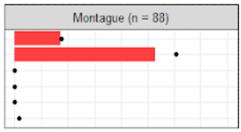
32 | What is your gender?
 |  |  |  |  | Montague
 |  | Total | proportion proportion | Town-weighted proportion | Count | Proportion
 | Male | 433 | 25% | 22% | 19 | 22%
 | Female | 1240 | 72% | 76% | 58 | 66%
 | Gender Nonbinary | 9 | 1% | 0% | 0 | 0%
 | Transgender male | 0 | 0% | 0% | 0 | 0%
 | Transgender female | 0 | 0% | 0% | 0 | 0%
 | Prefer not to say | 38 | 2% | 2% | 0 | 0%

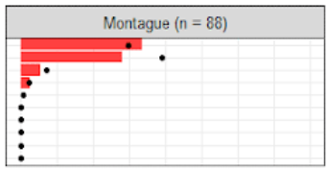
33 | How many people live in your household, including you?
 |  |  |  |  | Montague
 |  | Total | proportion proportion | Town-weighted proportion | Count | Proportion
 | 1 | 553 | 33% | 37% | 37 | 42%
 | 2 | 915 | 54% | 49% | 31 | 35%
 | 3 | 140 | 8% | 9% | 6 | 7%
 | 4 | 55 | 3% | 3% | 3 | 3%
 | 5 | 17 | 1% | 1% | 0 | 0%
 | 6 | 5 | 0% | 0% | 0 | 0%
 | 7 | 5 | 0% | 0% | 0 | 0%
 | 8 | 1 | 0% | 0% | 0 | 0%
 | 9 | 0 | 0% | 0% | 0 | 0%
 | 10 | 1 | 0% | 0% | 0 | 0%

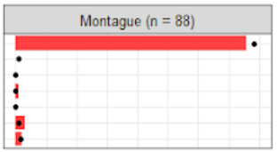
34 | How would you describe yourself?
 |  |  |  |  | Montague
 |  | Total | proportion proportion | Town-weighted proportion | Count | Proportion
 | White | 1596 | 94% | 92% | 72 | 95%
 | Black / African American | 10 | 1% | 1% | 0 | 0%
 | Asian | 7 | 0% | 0% | 0 | 0%
 | American Indian or Native Alaskan | 13 | 1% | 1% | 1 | 1%
 | Hispanic / Latino | 5 | 0% | 0% | 0 | 0%
 | Prefer not to say | 71 | 4% | 4% | 3 | 4%
 | Other race | 48 | 3% | 3% | 2 | 3%

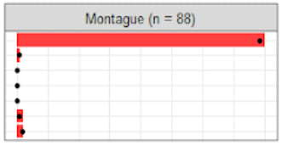
35 | What languages do you speak at home?
 |  |  |  |  | Montague
 |  | Total | proportion proportion | Town-weighted proportion | Count | Proportion
 | English | 1717 | 100% | 98% | 77 | 100%
 | Spanish | 13 | 1% | 1% | 1 | 1%
 | Chinese | 3 | 0% | 0% | 0 | 0%
 | Moldovan | 0 | 0% | 0% | 0 | 0%
 | Russian | 1 | 0% | 0% | 0 | 0%
 | French | 19 | 1% | 1% | 2 | 3%
 | Other language | 33 | 2% | 2% | 2 | 3%

wt.Town
 | n | current | 50+pop | target | wt
Ashfield | 29 | 0.014631685166 | 1088 | 0.027674619728 | 1.8914171138
Athol | 118 | 0.059535822402 | 4746 | 0.12072035407 | 2.0276927269 | Montague |  | Ashfield
Montague
Ashfield
Bernardston | 33 | 0.016649848638 | 1026 | 0.026097573384 | 1.5674360741 | Excellent/Good | 62 | Excellent/Good | 50
Buckland | 67 | 0.033804238143 | 969 | 0.024647708196 | 0.7291307111 | Fair/Poor | 48 | Fair/Poor | 50
Charlemont | 26 | 0.013118062563 | 633 | 0.016101134456 | 1.2274018651
Colrain | 43 | 0.021695257316 | 878 | 0.022333011141 | 1.0293960019
Conway | 43 | 0.021695257316 | 979 | 0.024902070509 | 1.1478117151
Deerfield | 51 | 0.025731584258 | 2655 | 0.067533194282 | 2.624525315
Erving | 45 | 0.022704339051 | 589 | 0.014981940276 | 0.65987123614
Gill | 36 | 0.018163471241 | 793 | 0.020170931475 | 1.1105218384
Greenfield | 210 | 0.10595358224 | 7588 | 0.19301012362 | 1.8216479286
Hawley | 3 | 0.0015136226034 | 234 | 0.0059520781401 | 3.9323396246
Heath | 37 | 0.018668012109 | 385 | 0.0097929490767 | 0.52458446135
Leverett | 281 | 0.14177598385 | 877 | 0.02230757491 | 0.15734382018
Leyden | 80 | 0.040363269425 | 366 | 0.0093096606807 | 0.23064684336
Monroe | 12 | 0.0060544904137 | 53 | 0.0013481202625 | 0.22266453002
Montague | 88 | 0.044399596367 | 3440 | 0.087500635906 | 1.9707529587
New Salem | 73 | 0.03683148335 | 701 | 0.017830798189 | 0.48411838371
Northfield | 138 | 0.069626639758 | 1306 | 0.033219718167 | 0.4771121841
Orange | 133 | 0.067103935419 | 3142 | 0.079920638958 | 1.1909977926
Petersham | 53 | 0.026740665994 | 629 | 0.01599938953 | 0.59831679338
Phillipston | 9 | 0.0045408678103 | 846 | 0.021519051737 | 4.7389733937
Rowe | 30 | 0.015136226034 | 215 | 0.0054687897441 | 0.36130470909
Royalston | 5 | 0.0025227043391 | 622 | 0.015821335911 | 6.2715775551
Shelburne | 73 | 0.03683148335 | 889 | 0.022612809686 | 0.6139532712
Shutesbury | 130 | 0.065590312815 | 899 | 0.022867172 | 0.34863642234
Sunderland | 25 | 0.012613521695 | 1144 | 0.029099048685 | 2.3069725797
Warwick | 45 | 0.022704339051 | 412 | 0.010479727324 | 0.4615737679
Wendell | 54 | 0.027245206862 | 457 | 0.011624357735 | 0.42665698206
Whately | 12 | 0.0060544904137 | 753 | 0.01915348222 | 3.1635168133

50+pop = population estimate for 50+ individuals from 2020 American Community Survey (https://data.census.gov/cedsci/)

